HomePage_Images
 |  | Header | <-- Options for Header | *** Hide/ Unhide header for website*****
 |  | Header | Home | https://www.datascience.com/
 |  | Header | Excel Function | https://www.perfectchannel.com/blog/
 |  | Header | Excel Analysis
 |  | Header | Excel VBA
 |  | Header | Contact US
 |  |  | Banner | Data Automation// Data Analysis
 |  |  | Banner | Data Automation// Data Analysis
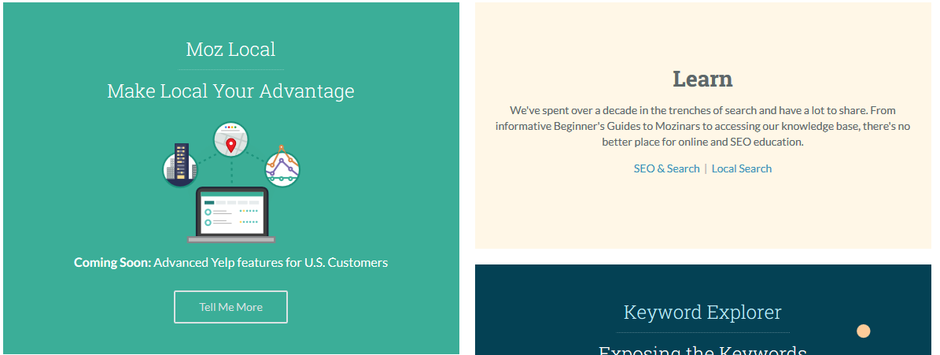
 |  |  | https://moz.com/

 |  |  | Moz Local | 1. Data automation
 |  |  | Learn | 2. Training
 |  |  | Connect | 3. Product solution
 |  |  | Keyword explorer | 4. Data Analysis

 |  |  | https://moz.com/

 |  |  | http://www.gogetguru.com/
 |  |  | Pivot Table
 |  |  | For Loop
 |  |  | Vlookup
 |  |  | If Condition
 |  |  | Data Validation

 |  |  | https://www.shoutmeloud.com/

 |  |  | Footer- Option 1// Keep text colour WHITE

 |  |  | Footer- Option 2

Home | <-- Options for Footer
Excel Function
Excel Analysis
Excel VBA
Sitemap
PrivacyPolicy
Contact US

